1. Title Page
[Basket Analysis]

Project Name: Instacart Basket Analysis
Date: 31/08/2021
Analyst Name: Mary Sassaqui

Contents:
Population Flow
Consistency checks
Wrangling steps
Column derivations
Visualizations
Recommendations

Citation:
"The Instacart Online Grocery Shopping Dataset 2017”, Accessed from https://www.instacart.com/datasets/grocery-shopping-2017 on 7/25/21 .

7. Recommendations
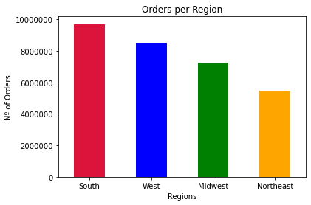
 |  |  | Title page

Recommendations
bl

In this tab you should include any recommendations you would made to Instcart in terms of their marketing strategy based on the questions posed in the brief. Every key question has been covered in the Tasks of the Exercises - here you need to add an item - a visualisation or table/crosstable that is showing the answer in the data, acompanied by a comment from you. Please, list the questions below and add the answer underneath.

Focus on loyal customers

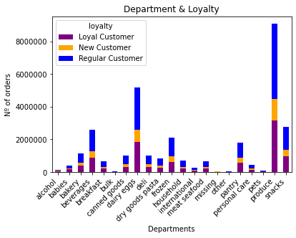

 | 51% of orders are made by regular customers, 35% by loyal and 15% by new customers.
 | But when it comes to Babies and Bulk departments, loyal customers are responsible for 41% of the orders.
 | If the company could make promotions for these clients, it could potencialize the orders.

Email marketing for the next morning and weekends

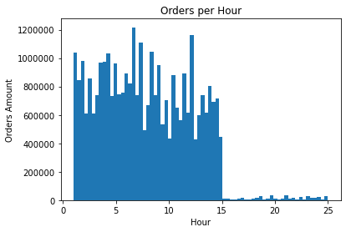

 |  | Email marketing could be sent in the afternoon, targeting clients for the next day.
 |  | Most of the clients purchase in the morning and lunch time.
 |  | Focusing also in promotions for the weekend, the busiest days.

Focus on the rentable departments

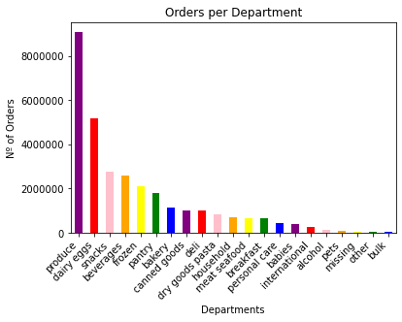

 |  | 1. produce
 |  | 2. dairy eggs
 |  | 3. snacks
 |  | 4. beverages
 |  | 5. frozen

Focus on high range products to increase the average ticket price

Meat and seafood and pantry departments

Most important regions

South and West

